Sheet1
No | Type | Part Number | Title | Application Summary | Vehicle W/o Engine | Vehicle W/ Engine | OEM | Picture | Url
1 | Windshield Wiper Motor | 40-1000 | Windshield Wiper Motor - 40-1000 | Chevrolet Camaro 1998-93; Pontiac Firebird 1998-93 | Chevrolet Camaro 1993-1998 Pontiac Firebird 1993-1998 | Chevrolet Camaro 1993-1995 3.4L V6 207cid Naturally Aspirated Chevrolet Camaro 1993-1998 5.7L V8 350cid Naturally Aspirated Chevrolet Camaro 1995-1998 3.8L V6 231cid/3800cc Naturally Aspirated Pontiac Firebird 1993-1995 3.4L V6 207cid Naturally Aspirated Pontiac Firebird 1993-1998 5.7L V8 350cid Naturally Aspirated Pontiac Firebird 1995-1998 3.8L V6 231cid/3800cc Naturally Aspirated | 22154913;22110039 | 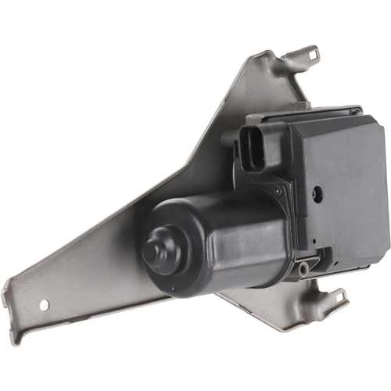 | https://www.cardone.com/product/windshield-wiper-motor-40-1000
2 | Windshield Wiper Motor | 40-10000 | Windshield Wiper Motor - 40-10000 | Hummer H3 2010-06 |  |  | 15943193 | 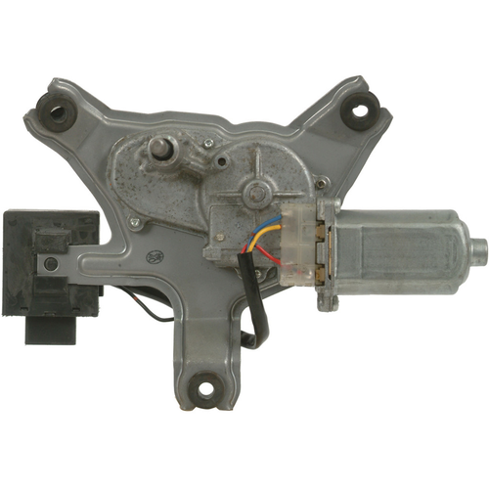 | https://www.cardone.com/product/windshield-wiper-motor-40-10000
3 | Windshield Wiper Motor | 40-10005 | Windshield Wiper Motor - 40-10005 |  | Cadillac CTS 2008-2015 Cadillac Escalade 2015-2022 Cadillac Escalade ESV 2015-2022 Chevrolet Silverado 1500 2007-2010 Chevrolet Silverado 2500 HD 2007-2010 Chevrolet Silverado 3500 HD 2007-2010 Chevrolet Suburban 2015-2022 Chevrolet Suburban 3500 HD 2016-2018 Chevrolet Tahoe 2015-2022 GMC Sierra 1500 2008-2010 GMC Sierra 2500 HD 2008-2010 GMC Sierra 3500 HD 2008-2010 GMC Yukon 2015-2022 GMC Yukon XL 2015-2022 | Cadillac CTS 2008-2014 3.6L V6 217cid/3564cc Naturally Aspirated Cadillac CTS 2009-2015 6.2L V8 376cid/6162cc Supercharged Cadillac CTS 2010-2014 3.0L V6 182cid Naturally Aspirated Cadillac CTS 2014 2.0L L4 122cid/1998cc Turbocharged Cadillac Escalade 2015-2022 6.2L V8 376cid/6162cc Naturally Aspirated Cadillac Escalade 2021-2022 3.0L L6 183cid/2993cc Turbocharged Cadillac Escalade ESV 2015-2022 6.2L V8 376cid/6162cc Naturally Aspirated Cadillac Escalade ESV 2021-2022 3.0L L6 183cid/2993cc Turbocharged Chevrolet Silverado 1500 2007-2010 4.3L V6 262cid Naturally Aspirated Chevrolet Silverado 1500 2007-2010 4.8L V8 294cid Naturally Aspirated Chevrolet Silverado 1500 2007-2010 5.3L V8 325cid/5328cc Naturally Aspirated Chevrolet Silverado 1500 2007-2010 6.0L V8 364cid/5967cc Naturally Aspirated Chevrolet Silverado 1500 2009-2010 6.2L V8 376cid/6162cc Naturally Aspirated Chevrolet Silverado 2500 HD 2007-2010 6.0L V8 364cid/5967cc Naturally Aspirated Chevrolet Silverado 2500 HD 2007-2010 6.6L V8 403cid/6599cc Turbocharged Chevrolet Silverado 3500 HD 2007-2010 6.0L V8 364cid/5967cc Naturally Aspirated Chevrolet Silverado 3500 HD 2007-2010 6.6L V8 403cid/6599cc Turbocharged Chevrolet Suburban 2015-2022 5.3L V8 325cid/5328cc Naturally Aspirated Chevrolet Suburban 2016-2018 6.0L V8 364cid/5967cc Naturally Aspirated Chevrolet Suburban 2019-2022 6.2L V8 376cid/6162cc Naturally Aspirated Chevrolet Suburban 2021-2022 3.0L L6 183cid/2993cc Turbocharged Chevrolet Suburban 3500 HD 2016-2018 6.0L V8 364cid/5967cc Naturally Aspirated Chevrolet Tahoe 2015-2022 5.3L V8 325cid/5328cc Naturally Aspirated Chevrolet Tahoe 2018-2022 6.2L V8 376cid/6162cc Naturally Aspirated Chevrolet Tahoe 2021-2022 3.0L L6 183cid/2993cc Turbocharged GMC Sierra 1500 2008-2010 4.3L V6 262cid Naturally Aspirated GMC Sierra 1500 2008-2010 4.8L V8 294cid Naturally Aspirated GMC Sierra 1500 2008-2010 5.3L V8 325cid/5328cc Naturally Aspirated GMC Sierra 1500 2008-2010 6.0L V8 364cid/5967cc Naturally Aspirated GMC | 76505SZTG01 | 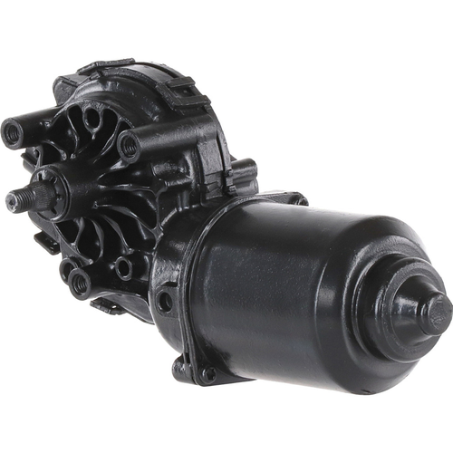 | https://www.cardone.com/product/windshield-wiper-motor-40-10005
4 | Windshield Wiper Motor | 40-10006 | Windshield Wiper Motor - 40-10006 | Buick Enclave 2017-08 | Buick Enclave 2008-2017 | Buick Enclave 2008-2017 3.6L V6 217cid/3564cc Naturally Aspirated | 25864153;25795300 | 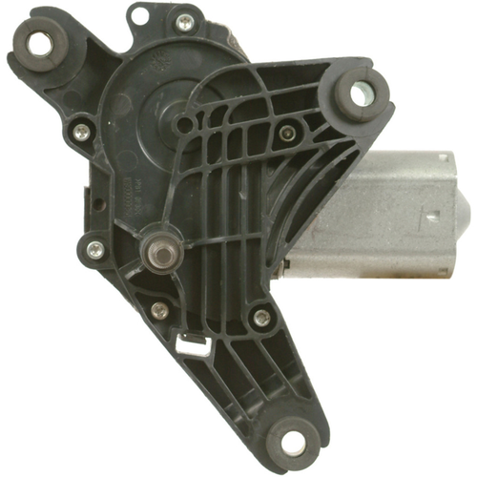 | https://www.cardone.com/product/windshield-wiper-motor-40-10006
5 | Windshield Wiper Motor | 40-10007 | Windshield Wiper Motor - 40-10007 | Chevrolet Malibu 2007-05 | Chevrolet Malibu 2005-2007 | Chevrolet Malibu 2005-2006 3.5L V6 213cid Naturally Aspirated Chevrolet Malibu 2005-2007 2.2L L4 134cid/2198cc Naturally Aspirated Chevrolet Malibu 2006-2007 3.5L V6 213cid/3498cc Naturally Aspirated Chevrolet Malibu 2006-2007 3.9L V6 237cid/3880cc Naturally Aspirated Chevrolet Malibu 2007 3.5L V6 213cid/3490cc Naturally Aspirated | 15252854 | 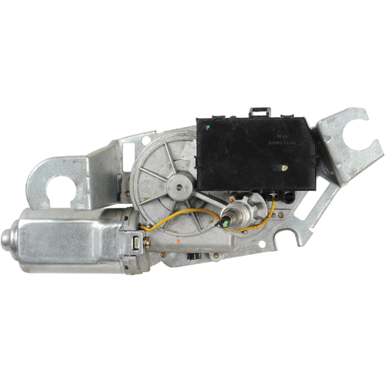 | https://www.cardone.com/product/windshield-wiper-motor-40-10007
6 | Windshield Wiper Motor | 40-10009 | Windshield Wiper Motor - 40-10009 | Chevrolet Suburban 1500 2000, Suburban 2500 2000; GMC Yukon XL 1500 2000, Yukon XL 2500 2000 | Chevrolet Suburban 1500 2000 Chevrolet Suburban 2500 2000 GMC Yukon XL 1500 2000 GMC Yukon XL 2500 2000 | Chevrolet Suburban 1500 2000 5.3L V8 325cid/5328cc Naturally Aspirated Chevrolet Suburban 1500 2000 5.7L V8 350cid Naturally Aspirated Chevrolet Suburban 2500 2000 6.0L V8 364cid/5967cc Naturally Aspirated GMC Yukon XL 1500 2000 5.3L V8 325cid/5328cc Naturally Aspirated GMC Yukon XL 2500 2000 6.0L V8 364cid/5967cc Naturally Aspirated | 12463052 | 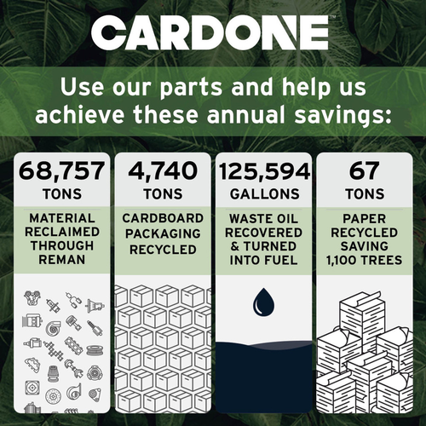 | https://www.cardone.com/product/windshield-wiper-motor-40-10009
7 | Windshield Wiper Motor | 40-1001 | Windshield Wiper Motor - 40-1001 | Chevrolet Prizm 2002-98; Geo Prizm 1997-93; Toyota Corolla 2002-98 | Chevrolet Prizm 1998-2002 Geo Prizm 1993-1997 Toyota Corolla 1998-2002 | Chevrolet Prizm 1998-2002 1.8L L4 1794cc Naturally Aspirated Geo Prizm 1993-1997 1.6L L4 98cid/1588cc Naturally Aspirated Geo Prizm 1993-1997 1.8L L4 107cid/1762cc Naturally Aspirated Toyota Corolla 1998-2002 1.8L L4 1794cc Naturally Aspirated | 8511002051 | 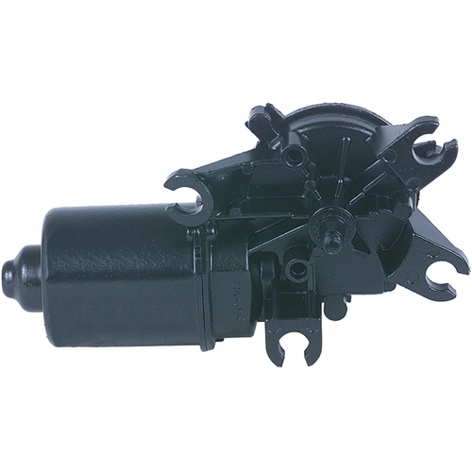 | https://www.cardone.com/product/windshield-wiper-motor-40-1001
8 | Windshield Wiper Motor | 40-10013 | Windshield Wiper Motor - 40-10013 | Chevrolet Captiva Sport 2015-08; Saturn Vue 2010-08 | Chevrolet Captiva Sport 2008-2015 Saturn Vue 2008-2010 | Chevrolet Captiva Sport 2008-2010 2.4L L4 147cid/2405cc Naturally Aspirated Chevrolet Captiva Sport 2008-2010 3.6L V6 217cid/3564cc Naturally Aspirated Chevrolet Captiva Sport 2011-2015 2.4L L4 145cid/2384cc Naturally Aspirated Chevrolet Captiva Sport 2011-2015 3.0L V6 182cid Naturally Aspirated Chevrolet Captiva Sport 2014 3.0L L6 2985cc Naturally Aspirated Saturn Vue 2008-2010 2.4L L4 145cid/2384cc Naturally Aspirated Saturn Vue 2008-2010 3.5L V6 213cid/3490cc Naturally Aspirated Saturn Vue 2008-2010 3.6L V6 217cid/3564cc Naturally Aspirated | 20829042;96673024;96673047 | 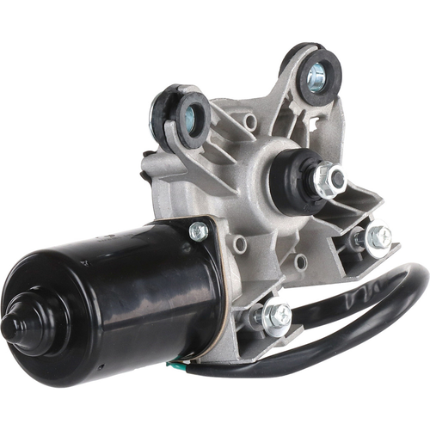 | https://www.cardone.com/product/windshield-wiper-motor-40-10013
9 | Windshield Wiper Motor | 40-10014 | Windshield Wiper Motor - 40-10014 | Chevrolet Captiva Sport 2010-08; Saturn Vue 2010-08 | Chevrolet Captiva Sport 2008-2010 Saturn Vue 2008-2010 | Chevrolet Captiva Sport 2008-2010 2.4L L4 147cid/2405cc Naturally Aspirated Chevrolet Captiva Sport 2008-2010 3.6L V6 217cid/3564cc Naturally Aspirated Saturn Vue 2008-2010 2.4L L4 145cid/2384cc Naturally Aspirated Saturn Vue 2008-2010 3.5L V6 213cid/3490cc Naturally Aspirated Saturn Vue 2008-2010 3.6L V6 217cid/3564cc Naturally Aspirated | 25963804;96673001 | 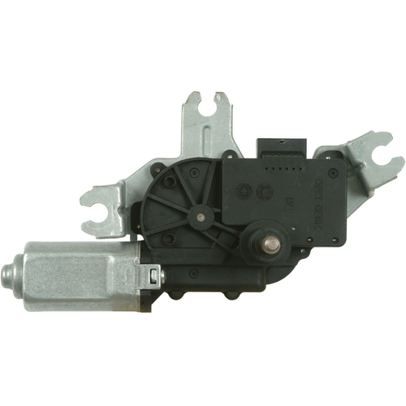 | https://www.cardone.com/product/windshield-wiper-motor-40-10014
10 | Windshield Wiper Motor | 40-10015 | Windshield Wiper Motor - 40-10015 | Geo Metro 1994-89; Pontiac Firefly 1994 1991-89 | Geo Metro 1989-1994 Pontiac Firefly 1989-1994 | Geo Metro 1989-1994 1.0L L3 61cid/993cc Naturally Aspirated Geo Metro 1992-1994 1.3L L4 79cid/1298cc Naturally Aspirated Pontiac Firefly 1989-1991 1.0L L3 61cid/993cc Turbocharged Pontiac Firefly 1989-1994 1.0L L3 61cid/993cc Naturally Aspirated Pontiac Firefly 1994 1.3L L4 79cid/1295cc Naturally Aspirated | 96061630 | 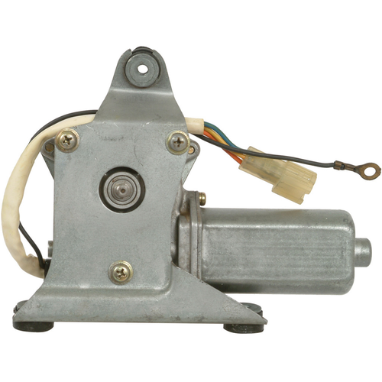 | https://www.cardone.com/product/windshield-wiper-motor-40-10015

